Residential
 | Appendix D-1: Residential Sites: Low Impact Development (LID) Credits and Treatment BMP Sizing Calculations

 | Name of Drainage Shed: |  |  |  |  |  |  |  | Fill in Blue Highlighted boxes
 | Location of project: | Sacramento
 | Step 1 - Open Space and Pervious Area Credits

 | Is your project within the drainage area of a common drainage plan that includes open space? If not, skip to 1 b.
 | 1 a. Common Drainage Plan Area |  |  |  |  |  |  | acres |  | ACDP | see area example below

 | Common Drainage Plan Open Space (Off-project) |  |  |  | 0 |  |  | acres |  | AOS
 | a. Natural storage reservoirs and drainage corridors |  |  |  | 0 |  |  | acres
 | b. Buffer zones for natural water bodies |  |  |  | 0 |  |  | acres
 | c. Natural areas including existing trees, other vegetation, and soil |  |  |  | 0 |  |  | acres
 | d. Common landscape area/park |  |  |  | 0 |  |  | acres
 | e. Regional Flood Control/Drainage basins |  |  |  | 0 |  |  | acres

 | 1 b. Project Drainage Shed Area (Total) |  |  |  | 0.00 |  |  | acres |  | A | see area example below

 | Project-Specific Open Space (In-project, communal**) |  |  |  | 0.00 |  |  | acres |  | APSOS
 | a. Natural storage reservoirs and drainage corridors |  |  |  | 0.00 |  |  | acres
 | b. Buffer zones for natural water bodies |  |  |  | 0.00 |  |  | acres
 | c. Natural areas including existing trees, other vegetation, and soil |  |  |  | 0.00 |  |  | acres
 | d. Landscape area/park |  |  |  | 0.00 |  |  | acres
 | e. Flood Control/Drainage basins |  |  |  | 0.00 |  |  | acres
 | ** Doesn't include impervious areas within individual lots and surrounding individual units. That is accounted for below using Form D-1a in Step 2.
 | Area with Runoff Reduction Potential |  |  | A - APSOS = | 0.00 |  |  | acres |  | AT

 | Number of Units in AT

 | Number of units per acre in AT |  |  | DU/AT = | 0 |  |  |  | DUA

 | Assumed Initial Impervious Fraction of AT |  |  |  | #N/A |  |  |  | I
 | (determined using Table D-1a)

 | Open Space & Pervious Area LID Credit (Step 1)
 |  |  |  | (AOS/ACDP+APSOS/A)x100 = | #DIV/0! |  |  | pts

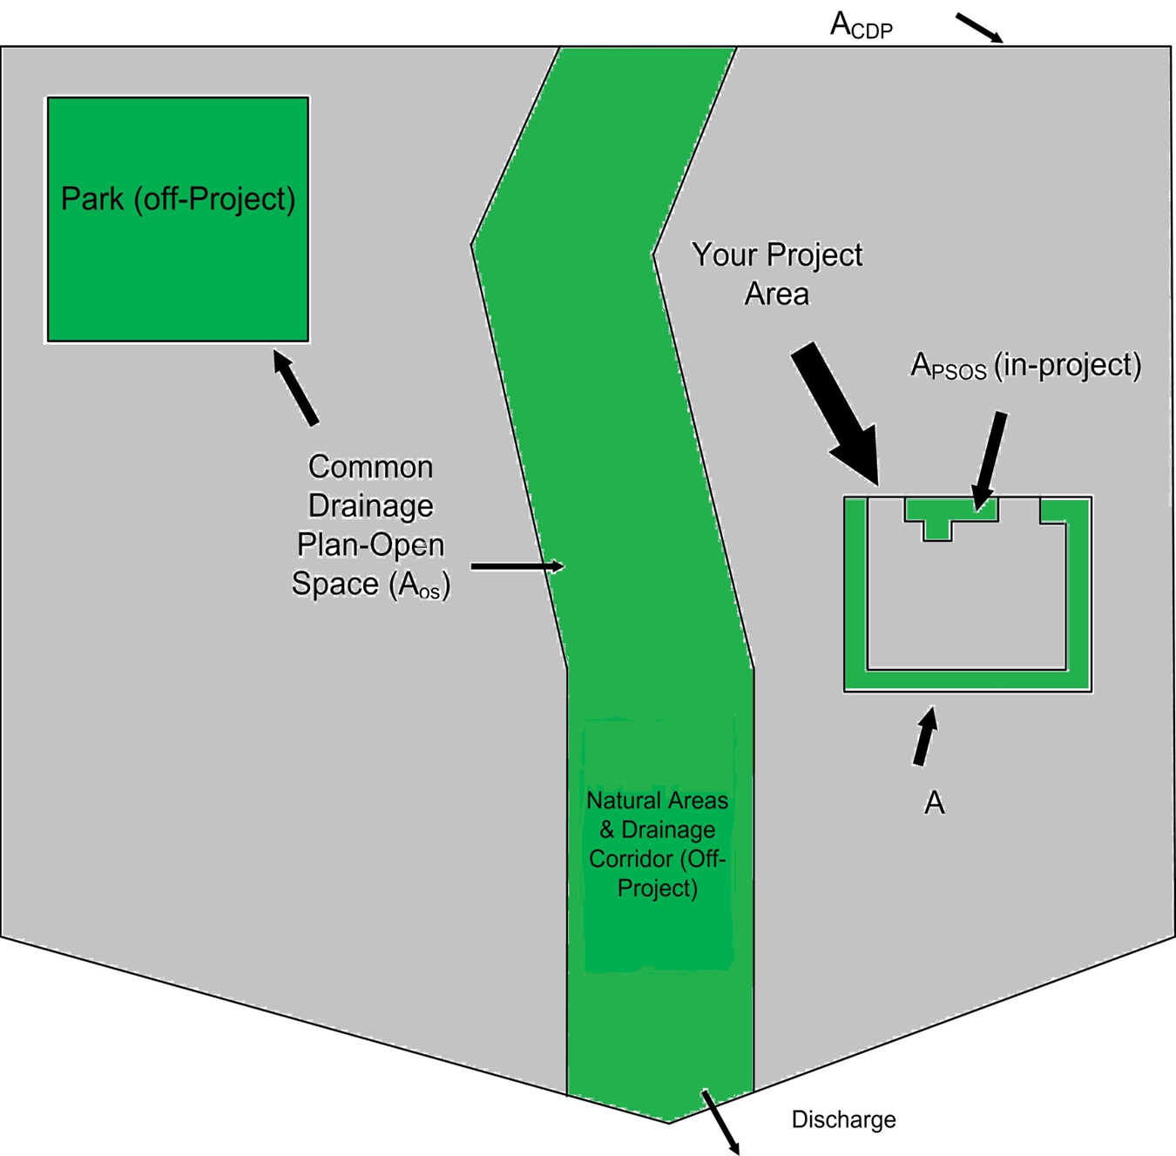

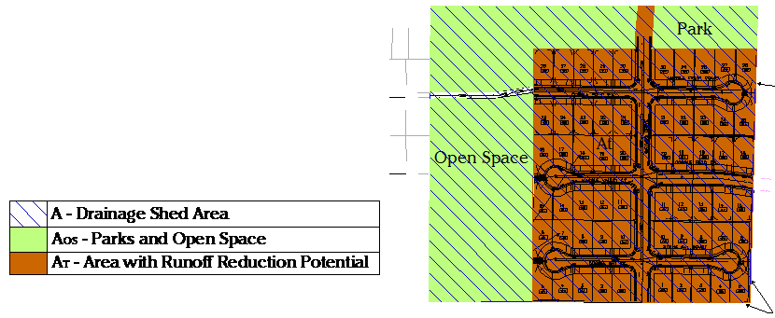

 | Step 2 - Runoff Reduction Credits

 | Runoff Reduction Measures |  |  |  |  |  |  |  |  |  | Effective Area Managed (AC)

 | Disconnected Roof Drains |  | use Form D-1a for credits |  |  |  |  |  |  |  | 0.00 |  | acres
 | (see Fact Sheet)
 | Disconnected Pavement |  | use Form D-1b for credits |  |  |  |  |  |  |  | 0.00 |  | acres
 | (see Fact Sheet)
 | Interceptor Trees |  | use Form D-1c for credits |  |  |  |  |  |  |  | 0.00 |  | acres
 | (see Fact Sheet)
 | Alternative Driveway Design |  | use Form D-1d for credits |  |  |  |  |  |  |  | 0.00 |  | acres
 | (see Fact Sheet)

 | Total Effective Area Managed (Credit Area) |  |  |  |  |  |  |  | AC |  | 0.00 |  | acres | EAM

 | Runoff Reduction Credit (Step 2) |  |  |  |  |  |  |  | (AC / AT )*100 = | #DIV/0! |  | pts

 | Form D-1a: Disconnected Roof Drains Worksheet
 | See Fact Sheet for more information regarding Disconnected Roof Drain credit guidelines
 |  |  |  |  |  |  |  |  |  |  |  |  | Effective Area Managed (AC)
 | 1. Determine efficiency Multiplier
 | Runoff is directed to a dispersal trench or dry well |  |  | 1.00
 | (Type A and B soils only)
 | Runoff is directed across landscaping, determine setback
 | 25 ft + | Use multiplier of |  | 1.00
 | > 20 and < 25 ft | Use multiplier of |  | 0.90
 | > 15 and < 20 ft | Use multiplier of |  | 0.70
 | > 10 and < 15 ft | Use multiplier of |  | 0.45
 | > 5 and < 10 ft | Use multiplier of |  | 0.25

 |  |  | Efficiency Multiplier |  |  |  |  |  |  | Box J1

 | 2. Determine percentage of roof drains disconnected |  |  |  |  |  |  |  |  | Box J2

 | 3. Select project density in dwelling units per acre:
 | 1 Use reduction factor of |  |  | 0.08
 | 2 Use reduction factor of |  |  | 0.13
 | 3,4 Use reduction factor of |  |  | 0.19
 | 5,6 Use reduction factor of |  |  | 0.23
 | 7 Use reduction factor of |  |  | 0.29
 | 8,9 Use reduction factor of |  |  | 0.33
 | 10-14 Use reduction factor of |  |  | 0.37
 | 15-20 Use reduction factor of |  |  | 0.44
 |  |  | Reduction Factor |  |  |  | 0.00 |  |  | Box J3

 | 4. Determine Area Managed
 |  | Multiply Box J3 by AT, and enter the result in Box J4 |  |  |  |  | 0.0 |  | acres | Box J4

 | 5. Multiply Boxes J1, J2 and J4, and enter 60% of the Result in Box J |  |  |  |  |  |  |  |  |  |  | 0.0 |  | acres | Box J
 | This is the amount of area credit to enter into the "Disconnected Roof Drains" Box of Form D-1

 | Form D-1b: Disconnected Pavement Worksheet

 | See Fact Sheet for more information regarding NDC Pavement credit guidelines
 |  |  |  |  |  |  |  |  |  |  |  | Effective Area Managed (AC)
 | Divided Sidewalks

 | 1. Determine percentage of units with divided Sidewalks |  |  |  |  |  |  |  | Box K1

 | Multiply Box K1, AT, and 0.04 and enter 60% of the result in Box K |  |  |  |  |  |  |  |  |  |  |  | 0.00 | acres | Box K
 | This is the amount of area credit to enter into the "Disconnected Pavement" Box of Form D-1

 | Form D-1c: Interceptor Tree Worksheet

 | See Fact Sheet for more information regarding Interceptor Tree credit guidelines
 |  |  |  |  |  |  |  |  |  |  |  | Effective Area Managed (AC)

 | New Evergreen Trees

 | 1. Enter number of new evergreen trees that qualify as Interceptor Trees in Box L1.
 |  |  |  |  |  |  |  |  |  |  | trees | Box L1

 | 2. Multiply Box L1 by 200 and enter result in Box L2 |  |  |  |  |  |  |  | 0 |  | sq. ft. | Box L2

 | New Deciduous Trees

 | 3. Enter number of new deciduous trees that qualify as Interceptor Trees in Box L3.
 |  |  |  |  |  |  |  |  |  |  | trees | Box L3

 | 4. Multiply Box L3 by 100 and enter result in Box L4 |  |  |  |  |  |  |  | 0 |  | sq. ft. | Box L4

 | Existing Tree Canopy

 | 5. Enter square footage of existing tree canopy that qualifies as Existing Tree canopy in Box L5.
 |  |  |  |  |  |  |  |  |  |  | sq. ft. | Box L5

 | 6. Multiply Box L5 by 0.5 and enter the result in Box L6 |  |  |  |  |  |  |  | 0 |  | sq. ft. | Box L6

 | Total Interceptor Tree Credits

 | Add Boxes L2, L4, and L6 and enter it into Box L7 |  |  |  |  |  |  |  | 0 |  | sq. ft. | Box L7

 | Divide Box L7 by 43,560 and multiply by 20% to get effective area managed and enter the result in Box L8 |  |  |  |  |  |  |  | 0.00 |  | acres | Box L8
 | This is the amount of area credit to enter into the "Interceptor Trees" Box of Form D-1

 | Form D-1d: Alternative Driveway Design
 | See Fact Sheet for more information regarding Alternative Driveway Design credit guidelines

 | 1. Select type of driveway
 |  | Pervious Driveway: |  | Multiplier:
 |  | Cobblestone Block Porous Pavement |  | 0.40
 |  | Pervious Concrete/Asphalt Pavement |  | 0.60
 |  | Modular Block Porous Pavement Porous Gravel Pavement & Hollywood Driveway |  | 0.75
 |  | Not Directly-connected Driveway |  | 1.00
 |  |  |  |  |  |  |  |  | Box M1

 | 2. Determine percentage of units with Alternative Driveways: |  |  |  |  |  |  |  | Box M2

 | 4. Multiply Boxes M1, M2, AT and 0.04, and enter the result in Box M |  |  |  |  |  |  |  |  |  |  |  | 0.00 |  | acres | Box M
 | This is the amount of area credit to enter into the "Alternative Driveway Design" Box of Form D-1

 | Step 3 - Runoff Management Credits
 | Capture and Use Credits
 | Impervious Area Managed by Rain barrels, Cisterns, and automatically-emptied systems
 | (see Fact Sheet) |  |  |  | enter gallons, for simple rain barrels |  |  |  |  | 0.00 |  | acres
 | Automated-Control Capture and Use System
 | (see Fact Sheet, then enter impervious area managed by the system) |  |  |  |  |  |  |  |  | 0.00 |  | acres
 | Bioretention/Infiltration Credits
 | Impervious Area Managed by Bioretention BMPs |  |  |  | Bioretention Area |  | sq ft
 | (see Fact Sheet) |  |  |  | Subdrain Elevation |  | inches
 |  |  |  |  | Ponding Depth, inches |  | inches |  |  | 0.00 |  | acres

 | Impervious Area Managed by Infiltration BMPs
 | (see Fact Sheet) |  |  |  | Drawdown Time, hrs |  | drawdown_hrs_inf |  |  |  |  |  |  |  |  |  | Basin
 |  |  |  |  | Soil Infiltration Rate, in/hr |  | soil_inf_rate |  |  |  |  |  |  |  |  |  | Trench

 |  | Sizing Option 1: |  |  | Capture Volume, acre-ft |  | capture_vol_inf |  |  | 0.00 |  | acres

 |  | Sizing Option 2: |  |  | Infiltration BMP surface area, sq ft |  | soil_surface_area |  |  | 0.00 |  | acres

 |  |  | Basin or trench? | Basin |  |  | approximate BMP depth | 0.00 | ft
 | Impervious Area Managed by Amended Soil or Mulch Beds
 | (see Fact Sheet) |  |  |  | Mulched Infiltration Area, sq ft |  | mulch_area |  |  | 0.00 |  | acres

 | Total Effective Area Managed by Capture-and-Use/Bioretention/Infiltration BMPs |  |  |  |  |  |  |  |  | 0.00 |  | ALIDc

 | Runoff Management Credit (Step 3) |  |  |  |  |  |  |  | ALIDC/AT*200 = | #DIV/0! |  | pts

 | Total LID Credits (Step 1+2+3) |  |  |  |  |  |  |  | #DIV/0! | #DIV/0!
 | Does project require hydromodification management? If yes, proceed to using SacHM. Is LID pts ≥ 100? If yes, proceed to step 4. If not, iterate through steps 1 & 2 until pts ≥ 100.

 | Adjusted Area for Flow-Based, Non-LID Treatment |  |  |  |  |  |  |  | AT - AC -ALIDC = | 0.00 | AAT

 | Adjusted Impervious Fraction of A for Volume-Based, Non-LID Treatment |  |  |  |  |  |  |  | (AT*I-AC-ALIDC) / A = | 0.000 | IA |  |  |  |  | #N/A | I, initial imperviousness (from Step 1)
 |  |  |  |  |  |  |  |  |  |  |  |  |  |  |  | #N/A | AT*I
 | STOP: No additional treatment needed
 | Step 4a Treatment - Flow-Based (Rational Method)
 | Form D-1e

 | Calculate treatment flow (cfs): |  |  | Flow = Runoff Coefficient x Rainfall Intensity x Adjusted Treatment Area

 | Determine C Factor using Table D-1b |  |  |  |  |  | C

 | Determine i using Table D-1c (Rainfall Intensity) |  |  | 0.18 |  |  | i

 | AAT from Step 2 |  |  | 0.00 |  |  | AAT

 |  | Flow = C * i * AAT |  | 0.00 |  |  | cfs

 | TABLE D-1b |  |  |  |  |  |  |  |  | Table D-1c
 | Development Type | Runoff Coefficient (Rational), C |  |  |  |  |  |  |  | Rainfall Intensity
 | Single-family areas | 0.50 |  |  |  |  |  |  |  | Roseville | i = | 0.20 | in/hr
 | Multi-units, detached | 0.60 |  |  |  |  |  |  |  | Sacramento | i = | 0.18 | in/hr
 | Apartment dwelling areas | 0.70 |  |  |  |  |  |  |  | Folsom | i = | 0.20 | in/hr
 | Multi-units, attached | 0.75
 | User Specified | 0.00

Step 4b Treatment - Volume-Based (ASCE-WEF)

Calculate water quality volume (Acre-Feet): |  |  | WQV = Area x Maximized Detention Volume (P0)

Obtain A from Step 1 |  |  | 0.00 |  |  | A |  |  | hrs | Specified Draw Down time

Obtain P0: Maximized Detention Volume from figures E-1 to E-4 in Appendix E of this manual using IA from Step 2. |  |  | 0.00 |  |  | P0

Calculate treatment volume (acre-ft):
 | Treatment volume = A x (P0 / 12) |  | 0.00 |  |  | Acre-Feet
 |  |  |  |  |  |  |  |  |  |  |  |  |  |  | v06232012
Rain Barrel Credit
Annual Rainfall Depth / emptying frequency |  |  |  | 18 | ARDperEF | in |  | emptied per year | 1

Back-calculating impervious areas using WEF/ASCE so I=1 the following calculations for infiltration BMPs and bioretention/planter box BMPs.
Imperviousness |  |  |  | 1 |  | I

Back-calculate Impervious Area Treated by Infiltration BMP
Obtain P0: Maximized Detention Volume from Figures E-1 to E-4 in Appendix E of this manual using I=1 and drawdown time selected in Step 3 above. |  |  | 0.96 |  | inches | inf_rainfall_design_depth

Back-calculate Impervious Area Treated by Bioretention/Planter Boxes

Obtain P0: Maximized Detention Volume from Figures E-1 in Appendix E of this manual using I=1.0 and drawdown time=12 hrs. |  |  | 0.64 |  | inches | bio_rainfall_design_depth

Imperviousconversion
TABLE D-2d
Adjusted Runoff Coefficient (CASQA) |  |  |  |  |  |  |  | For look up table |  |  |  |  | Info for ASCE WEF method to determine P0 |  |  |  |  |  | Drawdown times (hours)
 |  |  |  |  |  |  |  |  |  | Table for CASQA unit basin storage vs capture runoff at 80% |  |  |  |  |  |  |  |  | 12
IA | CA | IA | CA | IA | CA | IA | CA | IA | CA | Runoff Coeff | Basin Storage Vol (in) |  |  | a12 | 1.312 |  |  |  | 24
0 | 0.0400 | 0.3 | 0.2252 | 0.6 | 0.4089 | 0.9 | 0.7303 | 0 | 0.04 | 0 | 0 | 0.0064 |  | a24 | 1.582 |  |  |  | 48
0.01 | 0.0477 | 0.31 | 0.2305 | 0.61 | 0.4167 | 0.91 | 0.7450 | 0.01 | 0.05 | 0.01 | 0.0064 |  |  | a48 | 1.963
0.02 | 0.0552 | 0.32 | 0.2359 | 0.62 | 0.4245 | 0.92 | 0.7600 | 0.02 | 0.06 | 0.02 | 0.0128 |  |  | P6 | 0.55
0.03 | 0.0625 | 0.33 | 0.2413 | 0.63 | 0.4326 | 0.93 | 0.7753 | 0.03 | 0.06 | 0.03 | 0.0192
0.04 | 0.0698 | 0.34 | 0.2467 | 0.64 | 0.4408 | 0.94 | 0.7910 | 0.04 | 0.07 | 0.04 | 0.0256
0.05 | 0.0769 | 0.35 | 0.2521 | 0.65 | 0.4492 | 0.95 | 0.8070 | 0.05 | 0.08 | 0.05 | 0.032 |  | percent
0.06 | 0.0838 | 0.36 | 0.2576 | 0.66 | 0.4577 | 0.96 | 0.8233 | 0.06 | 0.08 | 0.06 | 0.0384 |  | i | i | c | P12 | P24 | P48
0.07 | 0.0907 | 0.37 | 0.2631 | 0.67 | 0.4665 | 0.97 | 0.8400 | 0.07 | 0.09 | 0.07 | 0.0448 |  | 1 | 0.01 | 0.05 | 0.03 | 0.04 | 0.05
0.08 | 0.0974 | 0.38 | 0.2686 | 0.68 | 0.4754 | 0.98 | 0.8570 | 0.08 | 0.10 | 0.08 | 0.0512 |  | 2 | 0.02 | 0.06 | 0.04 | 0.05 | 0.06
0.09 | 0.1040 | 0.39 | 0.2741 | 0.69 | 0.4846 | 0.99 | 0.8743 | 0.09 | 0.10 | 0.09 | 0.0576 |  | 3 | 0.03 | 0.06 | 0.05 | 0.05 | 0.07
0.1 | 0.1105 | 0.4 | 0.2797 | 0.7 | 0.4939 | 1 | 0.8920 | 0.1 | 0.11 | 0.1 | 0.064 |  | 4 | 0.04 | 0.07 | 0.05 | 0.06 | 0.08
0.11 | 0.1168 | 0.41 | 0.2854 | 0.71 | 0.5034 |  |  | 0.11 | 0.12 | 0.11 | 0.0704 |  | 5 | 0.05 | 0.08 | 0.06 | 0.07 | 0.08
0.12 | 0.1231 | 0.42 | 0.2911 | 0.72 | 0.5132 |  |  | 0.12 | 0.12 | 0.12 | 0.0768 |  | 6 | 0.06 | 0.08 | 0.06 | 0.07 | 0.09
0.13 | 0.1293 | 0.43 | 0.2968 | 0.73 | 0.5231 |  |  | 0.13 | 0.13 | 0.13 | 0.0832 |  | 7 | 0.07 | 0.09 | 0.07 | 0.08 | 0.10
0.14 | 0.1354 | 0.44 | 0.3026 | 0.74 | 0.5333 |  |  | 0.14 | 0.14 | 0.14 | 0.0896 |  | 8 | 0.08 | 0.10 | 0.07 | 0.08 | 0.11
0.15 | 0.1414 | 0.45 | 0.3085 | 0.75 | 0.5437 |  |  | 0.15 | 0.14 | 0.15 | 0.096 |  | 9 | 0.09 | 0.10 | 0.08 | 0.09 | 0.11
0.16 | 0.1474 | 0.46 | 0.3145 | 0.76 | 0.5544 |  |  | 0.16 | 0.15 | 0.16 | 0.1024 |  | 10 | 0.10 | 0.11 | 0.08 | 0.10 | 0.12
0.17 | 0.1533 | 0.47 | 0.3206 | 0.77 | 0.5652 |  |  | 0.17 | 0.15 | 0.17 | 0.1088 |  | 11 | 0.11 | 0.12 | 0.08 | 0.10 | 0.13
0.18 | 0.1591 | 0.48 | 0.3267 | 0.78 | 0.5763 |  |  | 0.18 | 0.16 | 0.18 | 0.1152 |  | 12 | 0.12 | 0.12 | 0.09 | 0.11 | 0.13
0.19 | 0.1648 | 0.49 | 0.3329 | 0.79 | 0.5877 |  |  | 0.19 | 0.16 | 0.19 | 0.1216 |  | 13 | 0.13 | 0.13 | 0.09 | 0.11 | 0.14
0.2 | 0.1705 | 0.5 | 0.3393 | 0.8 | 0.5993 |  |  | 0.2 | 0.17 | 0.2 | 0.128 |  | 14 | 0.14 | 0.14 | 0.10 | 0.12 | 0.15
0.21 | 0.1761 | 0.51 | 0.3457 | 0.81 | 0.6112 |  |  | 0.21 | 0.18 | 0.21 | 0.1344 |  | 15 | 0.15 | 0.14 | 0.10 | 0.12 | 0.15
0.22 | 0.1817 | 0.52 | 0.3522 | 0.82 | 0.6233 |  |  | 0.22 | 0.18 | 0.22 | 0.1408 |  | 16 | 0.16 | 0.15 | 0.11 | 0.13 | 0.16
0.23 | 0.1872 | 0.53 | 0.3589 | 0.83 | 0.6357 |  |  | 0.23 | 0.19 | 0.23 | 0.1472 |  | 17 | 0.17 | 0.15 | 0.11 | 0.13 | 0.17
0.24 | 0.1927 | 0.54 | 0.3656 | 0.84 | 0.6483 |  |  | 0.24 | 0.19 | 0.24 | 0.1536 |  | 18 | 0.18 | 0.16 | 0.11 | 0.14 | 0.17
0.25 | 0.1982 | 0.55 | 0.3725 | 0.85 | 0.6613 |  |  | 0.25 | 0.20 | 0.25 | 0.16 | assume linear change between the two adjacent points | 19 | 0.19 | 0.16 | 0.12 | 0.14 | 0.18
0.26 | 0.2036 | 0.56 | 0.3795 | 0.86 | 0.6745 |  |  | 0.26 | 0.20 | 0.26 | 0.17 | change between the two pts | 20 | 0.20 | 0.17 | 0.12 | 0.15 | 0.18
0.27 | 0.2090 | 0.57 | 0.3867 | 0.87 | 0.6880 |  |  | 0.27 | 0.21 | 0.27 | 0.18 | 0.0084 | 21 | 0.21 | 0.18 | 0.13 | 0.15 | 0.19
0.28 | 0.2144 | 0.58 | 0.3939 | 0.88 | 0.7018 |  |  | 0.28 | 0.21 | 0.28 | 0.19 |  | 22 | 0.22 | 0.18 | 0.13 | 0.16 | 0.20
0.29 | 0.2198 | 0.59 | 0.4014 | 0.89 | 0.7159 |  |  | 0.29 | 0.22 | 0.29 | 0.19 |  | 23 | 0.23 | 0.19 | 0.14 | 0.16 | 0.20
 |  |  |  |  |  |  |  | 0.3 | 0.23 | 0.3 | 0.20 |  | 24 | 0.24 | 0.19 | 0.14 | 0.17 | 0.21
 |  |  |  |  |  |  |  | 0.31 | 0.23 | 0.31 | 0.21 |  | 25 | 0.25 | 0.20 | 0.14 | 0.17 | 0.21
 |  |  |  |  |  |  |  | 0.32 | 0.24 | 0.32 | 0.22 |  | 26 | 0.26 | 0.20 | 0.15 | 0.18 | 0.22
 |  |  |  |  |  |  |  | 0.33 | 0.24 | 0.33 | 0.23 |  | 27 | 0.27 | 0.21 | 0.15 | 0.18 | 0.23
 |  |  |  |  |  |  |  | 0.34 | 0.25 | 0.34 | 0.24 |  | 28 | 0.28 | 0.21 | 0.15 | 0.19 | 0.23
 |  |  |  |  |  |  |  | 0.35 | 0.25 | 0.35 | 0.24 |  | 29 | 0.29 | 0.22 | 0.16 | 0.19 | 0.24
 |  |  |  |  |  |  |  | 0.36 | 0.26 | 0.36 | 0.25 |  | 30 | 0.30 | 0.23 | 0.16 | 0.20 | 0.24
 |  |  |  |  |  |  |  | 0.37 | 0.26 | 0.37 | 0.26 |  | 31 | 0.31 | 0.23 | 0.17 | 0.20 | 0.25
For July 2018 Manual
(Rev 8/2/18)
 |  |  |  |  |  |  |  | 0.38 | 0.27 | 0.38 | 0.27 |  | 32 | 0.32 | 0.24 | 0.17 | 0.21 | 0.25
 |  |  |  |  |  |  |  | 0.39 | 0.27 | 0.39 | 0.28 |  | 33 | 0.33 | 0.24 | 0.17 | 0.21 | 0.26
 |  |  |  |  |  |  |  | 0.4 | 0.28 | 0.4 | 0.29 |  | 34 | 0.34 | 0.25 | 0.18 | 0.21 | 0.27
 |  |  |  |  |  |  |  | 0.41 | 0.29 | 0.41 | 0.29 |  | 35 | 0.35 | 0.25 | 0.18 | 0.22 | 0.27
 |  |  |  |  |  |  |  | 0.42 | 0.29 | 0.42 | 0.30 |  | 36 | 0.36 | 0.26 | 0.19 | 0.22 | 0.28
 |  |  |  |  |  |  |  | 0.43 | 0.30 | 0.43 | 0.31 |  | 37 | 0.37 | 0.26 | 0.19 | 0.23 | 0.28
 |  |  |  |  |  |  |  | 0.44 | 0.30 | 0.44 | 0.32 |  | 38 | 0.38 | 0.27 | 0.19 | 0.23 | 0.29
 |  |  |  |  |  |  |  | 0.45 | 0.31 | 0.45 | 0.33 |  | 39 | 0.39 | 0.27 | 0.20 | 0.24 | 0.30
 |  |  |  |  |  |  |  | 0.46 | 0.31 | 0.46 | 0.34 |  | 40 | 0.40 | 0.28 | 0.20 | 0.24 | 0.30
 |  |  |  |  |  |  |  | 0.47 | 0.32 | 0.47 | 0.34 |  | 41 | 0.41 | 0.29 | 0.21 | 0.25 | 0.31
 |  |  |  |  |  |  |  | 0.48 | 0.33 | 0.48 | 0.35 |  | 42 | 0.42 | 0.29 | 0.21 | 0.25 | 0.31
 |  |  |  |  |  |  |  | 0.49 | 0.33 | 0.49 | 0.36 |  | 43 | 0.43 | 0.30 | 0.21 | 0.26 | 0.32
 |  |  |  |  |  |  |  | 0.5 | 0.34 | 0.5 | 0.37 |  | 44 | 0.44 | 0.30 | 0.22 | 0.26 | 0.33
 |  |  |  |  |  |  |  | 0.51 | 0.35 | 0.51 | 0.38 | change between the two pts | 45 | 0.45 | 0.31 | 0.22 | 0.27 | 0.33
 |  |  |  |  |  |  |  | 0.52 | 0.35 | 0.52 | 0.38 | 0.0068 | 46 | 0.46 | 0.31 | 0.23 | 0.27 | 0.34
 |  |  |  |  |  |  |  | 0.53 | 0.36 | 0.53 | 0.39 |  | 47 | 0.47 | 0.32 | 0.23 | 0.28 | 0.35
 |  |  |  |  |  |  |  | 0.54 | 0.37 | 0.54 | 0.40 |  | 48 | 0.48 | 0.33 | 0.24 | 0.28 | 0.35
 |  |  |  |  |  |  |  | 0.55 | 0.37 | 0.55 | 0.40 |  | 49 | 0.49 | 0.33 | 0.24 | 0.29 | 0.36
 |  |  |  |  |  |  |  | 0.56 | 0.38 | 0.56 | 0.41 |  | 50 | 0.50 | 0.34 | 0.24 | 0.30 | 0.37
 |  |  |  |  |  |  |  | 0.57 | 0.39 | 0.57 | 0.42 |  | 51 | 0.51 | 0.35 | 0.25 | 0.30 | 0.37
 |  |  |  |  |  |  |  | 0.58 | 0.39 | 0.58 | 0.42 |  | 52 | 0.52 | 0.35 | 0.25 | 0.31 | 0.38
 |  |  |  |  |  |  |  | 0.59 | 0.40 | 0.59 | 0.43 |  | 53 | 0.53 | 0.36 | 0.26 | 0.31 | 0.39
 |  |  |  |  |  |  |  | 0.6 | 0.41 | 0.6 | 0.44 |  | 54 | 0.54 | 0.37 | 0.26 | 0.32 | 0.39
 |  |  |  |  |  |  |  | 0.61 | 0.42 | 0.61 | 0.44 |  | 55 | 0.55 | 0.37 | 0.27 | 0.32 | 0.40
 |  |  |  |  |  |  |  | 0.62 | 0.42 | 0.62 | 0.45 |  | 56 | 0.56 | 0.38 | 0.27 | 0.33 | 0.41
 |  |  |  |  |  |  |  | 0.63 | 0.43 | 0.63 | 0.46 |  | 57 | 0.57 | 0.39 | 0.28 | 0.34 | 0.42
 |  |  |  |  |  |  |  | 0.64 | 0.44 | 0.64 | 0.47 |  | 58 | 0.58 | 0.39 | 0.28 | 0.34 | 0.43
 |  |  |  |  |  |  |  | 0.65 | 0.45 | 0.65 | 0.47 |  | 59 | 0.59 | 0.40 | 0.29 | 0.35 | 0.43
 |  |  |  |  |  |  |  | 0.66 | 0.46 | 0.66 | 0.48 |  | 60 | 0.60 | 0.41 | 0.30 | 0.36 | 0.44
 |  |  |  |  |  |  |  | 0.67 | 0.47 | 0.67 | 0.49 |  | 61 | 0.61 | 0.42 | 0.30 | 0.36 | 0.45
 |  |  |  |  |  |  |  | 0.68 | 0.48 | 0.68 | 0.49 |  | 62 | 0.62 | 0.42 | 0.31 | 0.37 | 0.46
 |  |  |  |  |  |  |  | 0.69 | 0.48 | 0.69 | 0.50 |  | 63 | 0.63 | 0.43 | 0.31 | 0.38 | 0.47
 |  |  |  |  |  |  |  | 0.7 | 0.49 | 0.7 | 0.51 |  | 64 | 0.64 | 0.44 | 0.32 | 0.38 | 0.48
 |  |  |  |  |  |  |  | 0.71 | 0.50 | 0.71 | 0.51 |  | 65 | 0.65 | 0.45 | 0.32 | 0.39 | 0.48
 |  |  |  |  |  |  |  | 0.72 | 0.51 | 0.72 | 0.52 |  | 66 | 0.66 | 0.46 | 0.33 | 0.40 | 0.49
 |  |  |  |  |  |  |  | 0.73 | 0.52 | 0.73 | 0.53 |  | 67 | 0.67 | 0.47 | 0.34 | 0.41 | 0.50
 |  |  |  |  |  |  |  | 0.74 | 0.53 | 0.74 | 0.53 |  | 68 | 0.68 | 0.48 | 0.34 | 0.41 | 0.51
 |  |  |  |  |  |  |  | 0.75 | 0.54 | 0.75 | 0.54 | change between the two pts | 69 | 0.69 | 0.48 | 0.35 | 0.42 | 0.52
 |  |  |  |  |  |  |  | 0.76 | 0.55 | 0.76 | 0.55 | 0.0076 | 70 | 0.70 | 0.49 | 0.36 | 0.43 | 0.53
 |  |  |  |  |  |  |  | 0.77 | 0.57 | 0.77 | 0.56 |  | 71 | 0.71 | 0.50 | 0.36 | 0.44 | 0.54
 |  |  |  |  |  |  |  | 0.78 | 0.58 | 0.78 | 0.56 |  | 72 | 0.72 | 0.51 | 0.37 | 0.45 | 0.55
 |  |  |  |  |  |  |  | 0.79 | 0.59 | 0.79 | 0.57 |  | 73 | 0.73 | 0.52 | 0.38 | 0.46 | 0.56
 |  |  |  |  |  |  |  | 0.8 | 0.60 | 0.8 | 0.58 |  | 74 | 0.74 | 0.53 | 0.38 | 0.46 | 0.58
 |  |  |  |  |  |  |  | 0.81 | 0.61 | 0.81 | 0.59 |  | 75 | 0.75 | 0.54 | 0.39 | 0.47 | 0.59
 |  |  |  |  |  |  |  | 0.82 | 0.62 | 0.82 | 0.59 |  | 76 | 0.76 | 0.55 | 0.40 | 0.48 | 0.60
 |  |  |  |  |  |  |  | 0.83 | 0.64 | 0.83 | 0.60 |  | 77 | 0.77 | 0.57 | 0.41 | 0.49 | 0.61
 |  |  |  |  |  |  |  | 0.84 | 0.65 | 0.84 | 0.61 |  | 78 | 0.78 | 0.58 | 0.42 | 0.50 | 0.62
 |  |  |  |  |  |  |  | 0.85 | 0.66 | 0.85 | 0.62 |  | 79 | 0.79 | 0.59 | 0.42 | 0.51 | 0.63
 |  |  |  |  |  |  |  | 0.86 | 0.67 | 0.86 | 0.62 |  | 80 | 0.80 | 0.60 | 0.43 | 0.52 | 0.65
 |  |  |  |  |  |  |  | 0.87 | 0.69 | 0.87 | 0.63 |  | 81 | 0.81 | 0.61 | 0.44 | 0.53 | 0.66
 |  |  |  |  |  |  |  | 0.88 | 0.70 | 0.88 | 0.64 |  | 82 | 0.82 | 0.62 | 0.45 | 0.54 | 0.67
 |  |  |  |  |  |  |  | 0.89 | 0.72 | 0.89 | 0.65 |  | 83 | 0.83 | 0.64 | 0.46 | 0.55 | 0.69
 |  |  |  |  |  |  |  | 0.90 | 0.73 | 0.9 | 0.65 |  | 84 | 0.84 | 0.65 | 0.47 | 0.56 | 0.70
 |  |  |  |  |  |  |  | 0.91 | 0.74 | 0.91 | 0.66 |  | 85 | 0.85 | 0.66 | 0.48 | 0.58 | 0.71
 |  |  |  |  |  |  |  | 0.92 | 0.76 | 0.92 | 0.67 |  | 86 | 0.86 | 0.67 | 0.49 | 0.59 | 0.73
 |  |  |  |  |  |  |  | 0.93 | 0.78 | 0.93 | 0.68 |  | 87 | 0.87 | 0.69 | 0.50 | 0.60 | 0.74
 |  |  |  |  |  |  |  | 0.94 | 0.79 | 0.94 | 0.68 |  | 88 | 0.88 | 0.70 | 0.51 | 0.61 | 0.76
 |  |  |  |  |  |  |  | 0.95 | 0.81 | 0.95 | 0.69 |  | 89 | 0.89 | 0.72 | 0.52 | 0.62 | 0.77
 |  |  |  |  |  |  |  | 0.96 | 0.82 | 0.96 | 0.70 |  | 90 | 0.90 | 0.73 | 0.53 | 0.64 | 0.79
 |  |  |  |  |  |  |  | 0.97 | 0.84 | 0.97 | 0.71 |  | 91 | 0.91 | 0.74 | 0.54 | 0.65 | 0.80
 |  |  |  |  |  |  |  | 0.98 | 0.86 | 0.98 | 0.71 |  | 92 | 0.92 | 0.76 | 0.55 | 0.66 | 0.82
 |  |  |  |  |  |  |  | 0.99 | 0.87 | 0.99 | 0.72 |  | 93 | 0.93 | 0.78 | 0.56 | 0.67 | 0.84
 |  |  |  |  |  |  |  | 1.00 | 0.89 | 1 | 0.73 |  | 94 | 0.94 | 0.79 | 0.57 | 0.69 | 0.85
 |  |  |  |  |  |  |  |  |  |  |  |  | 95 | 0.95 | 0.81 | 0.58 | 0.70 | 0.87
 |  |  |  |  |  |  |  |  |  |  |  |  | 96 | 0.96 | 0.82 | 0.59 | 0.72 | 0.89
 |  |  |  |  |  |  |  |  |  |  |  |  | 97 | 0.97 | 0.84 | 0.61 | 0.73 | 0.91
 |  |  |  |  |  |  |  |  |  |  |  |  | 98 | 0.98 | 0.86 | 0.62 | 0.75 | 0.93
 |  |  |  |  |  |  |  |  |  |  |  |  | 99 | 0.99 | 0.87 | 0.63 | 0.76 | 0.94
 |  |  |  |  |  |  |  |  |  |  |  |  | 100 | 1.00 | 0.89 | 0.64 | 0.78 | 0.96

